الورقة1
Team Name | Group 6
Project Name | Swagger Pet- API Testing
Report | Bugs Report
Date | 2025-03-28
Test Case ID | Bug ID | Title | Description | Preconditions | Steps to reproduce | Test Data | Expected Result | Actual Result | Attachement | Status | Priorty | Severity
TC-PET-02 | BUG-001 | No validation for missing name | Pet API accepts payload without required name field | Collection ready | Send POST /pet without name | { "id": 101, "status": "available" } | Should reject missing name | Accepts and creates pet | 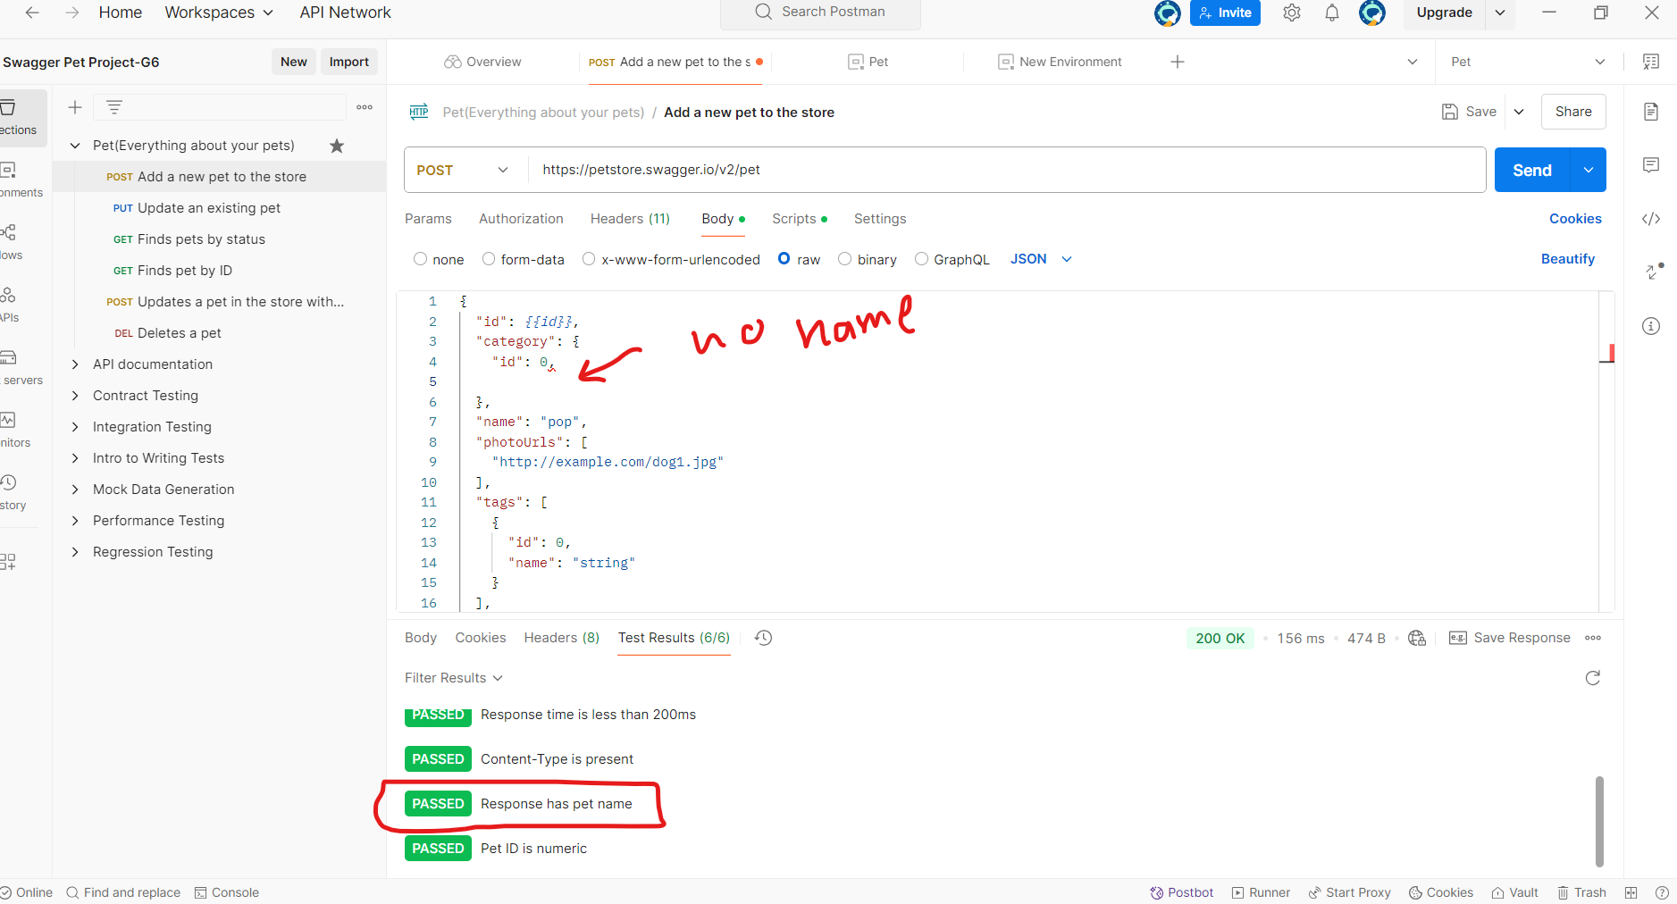 | Open | High | Medium
TC-PET-03 | BUG-002 | Status accepts invalid value | Status field accepts invalid values not listed in docs | Collection ready | Use status "available" | Invalid enum | Reject with 400 | 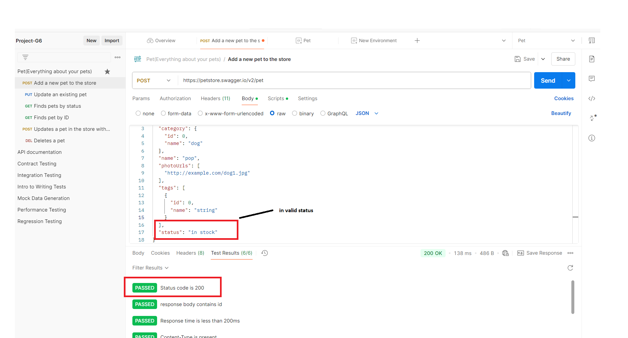 Accepts and stores pet |  | Open | Medium | Medium
TC-PET-06 | BUG-003 | Invalid ID returns 404 not validation error | When using invalid data type in path param, it returns 404 instead of 400 | API running | Send /pet/abc | "shdfjbefj" | 400 - bad input | 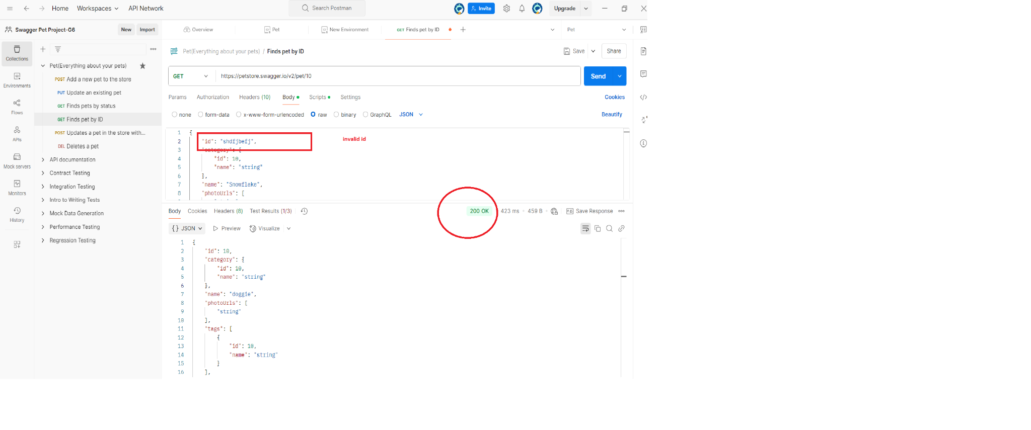 200 successful |  | Open | High | Medium
TC-PET-08 | BUG-004 | Update accepted without id | When sending update without id, the API accepts and updates some pet, causing data inconsistency | Valid pet exists in system | Send PUT /pet request without id in body | { "name": "Buddy", "status": "available" } | 400 Bad Request or validation error | 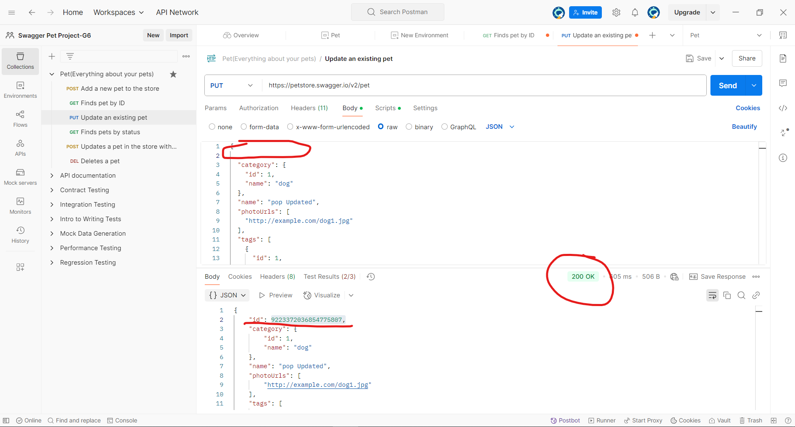 200 OK and updates pet |  | Open | High | Major
TC-PET-09 | BUG-005 | Invalid status accepted | Sending a status outside of allowed values is accepted instead of rejected | API is running | Send PUT /pet with "status": "delivered" | { "id": 123456, "name": "Buddy", "status": "delivered" } | 400 Bad Request | 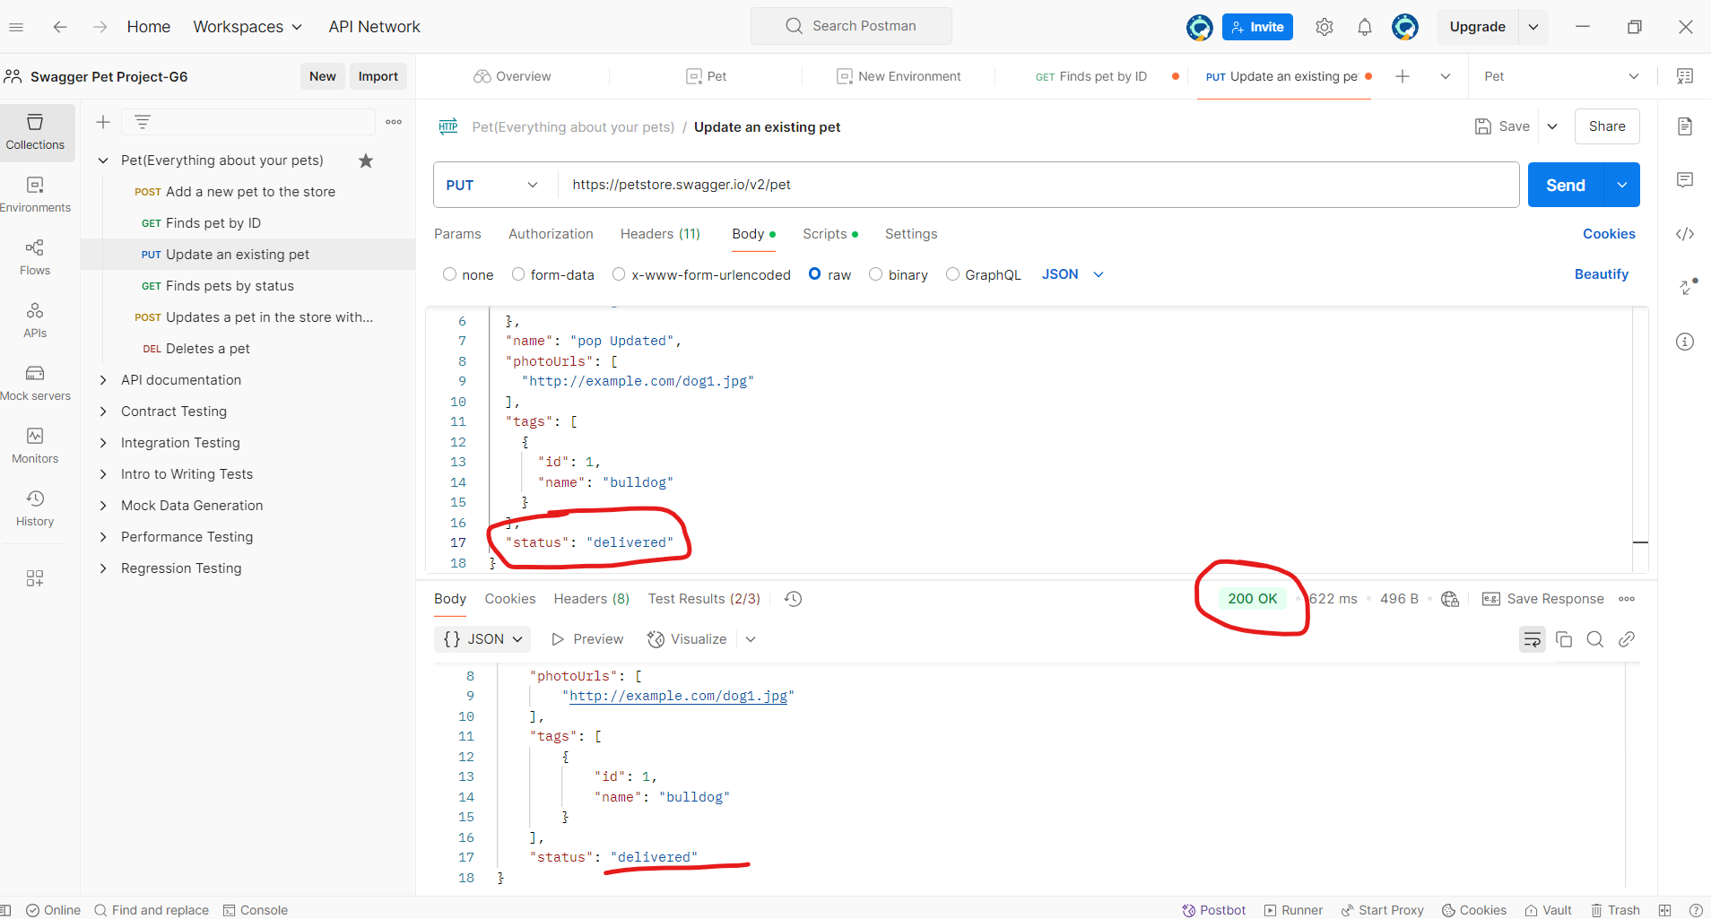 200 OK |  | Open | Medium | Medium
TC-PET-15 | BUG-006 | Status param is case-sensitive | Using "Available" instead of "available" returns an empty array instead of normalizing or rejecting | API is running | Send GET /pet/findByStatus?status=Available | "Available" | API should either normalize input to lowercase or return a validation error | 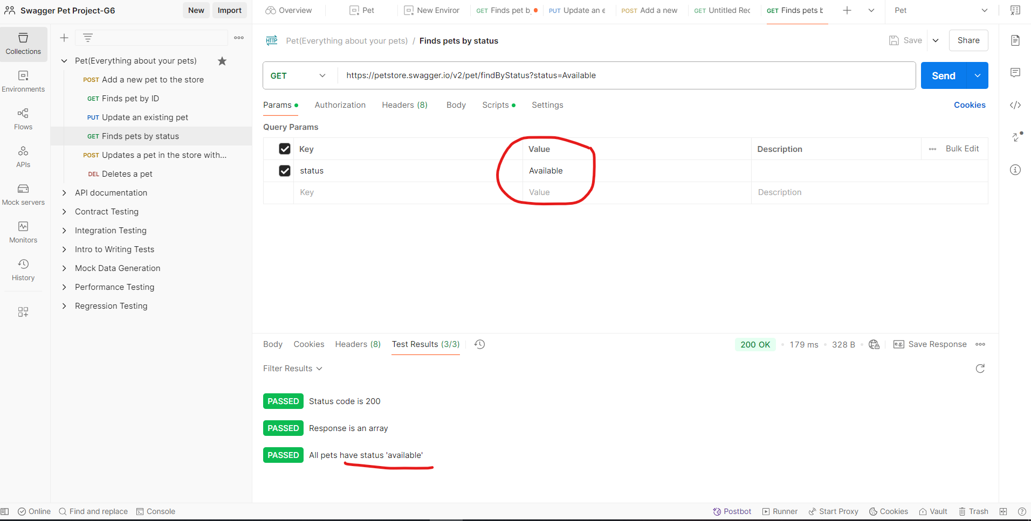 API returns empty array with 200 OK |  | Open | Medium | Medium
TC-PET-21 | BUG-007 | Form update succeeds for unknown ID | When sending form update to non-existent pet ID, API returns 200 OK with "unknown" message, instead of 404 or validation error | API running | Send POST /pet/9999999 with form-data | name = Ghost | 404 or error indicating pet not found | 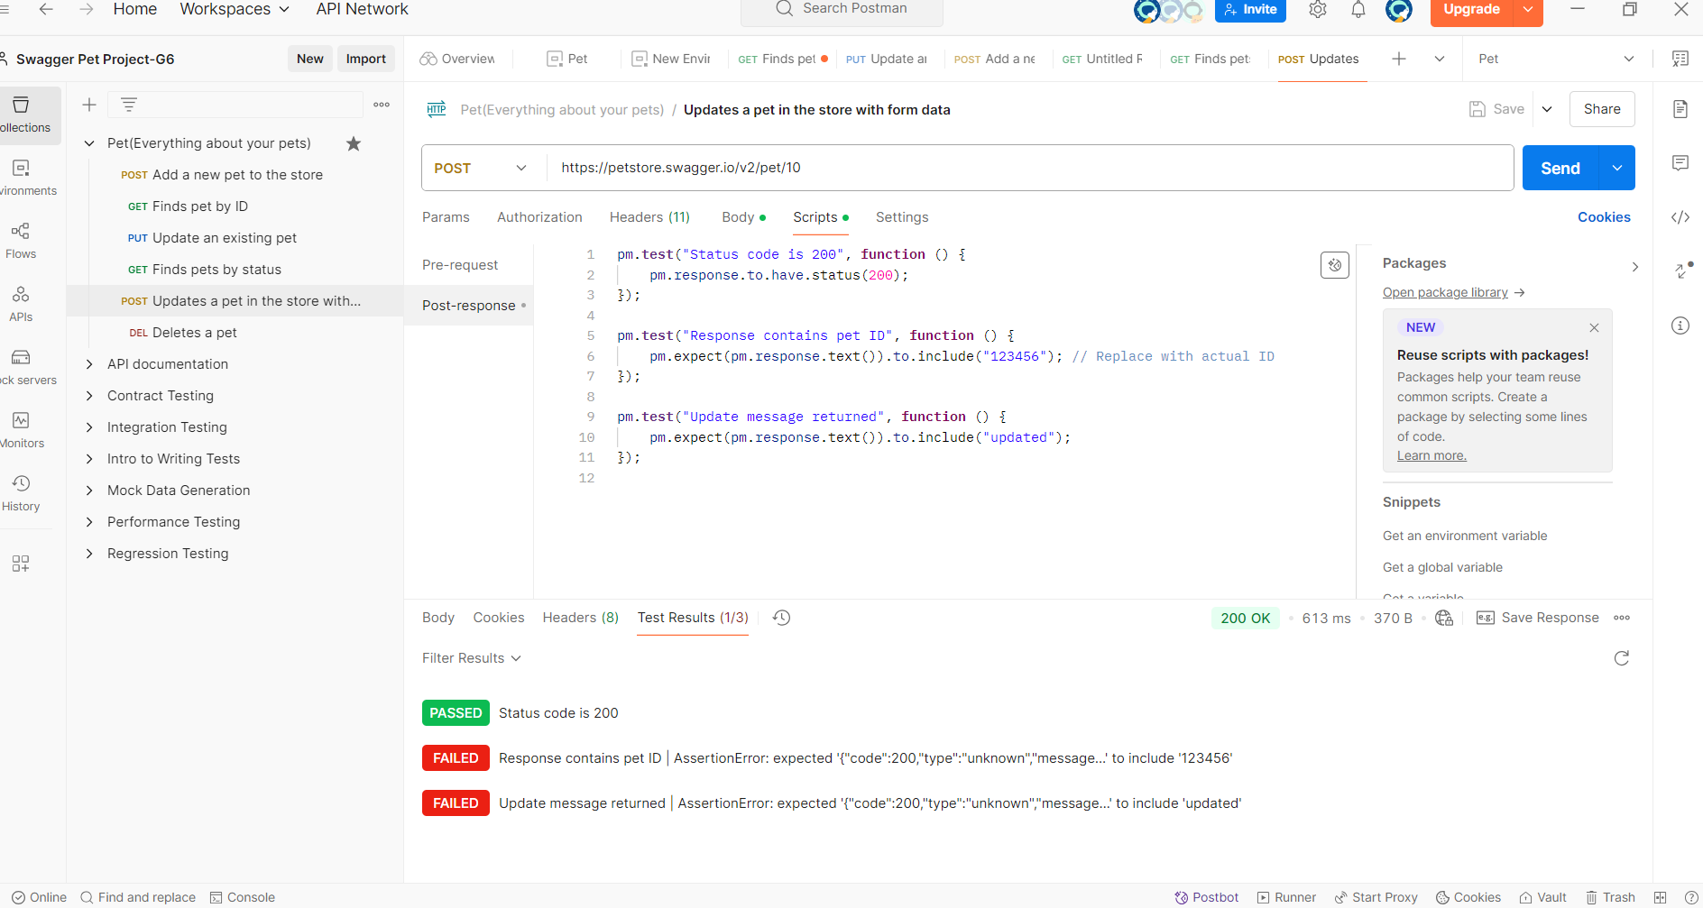 200 OK, message: "unknown" |  | Open | Medium | Medium
TC-PET-12 | BUG-008 | API accepts non-numeric pet ID | When sending DELETE /pet/abc, the API returns 404 instead of validating the ID type and rejecting the request | None | Send DELETE request to /pet/abc | "abc" | Should return 400 Bad Request (invalid input) | 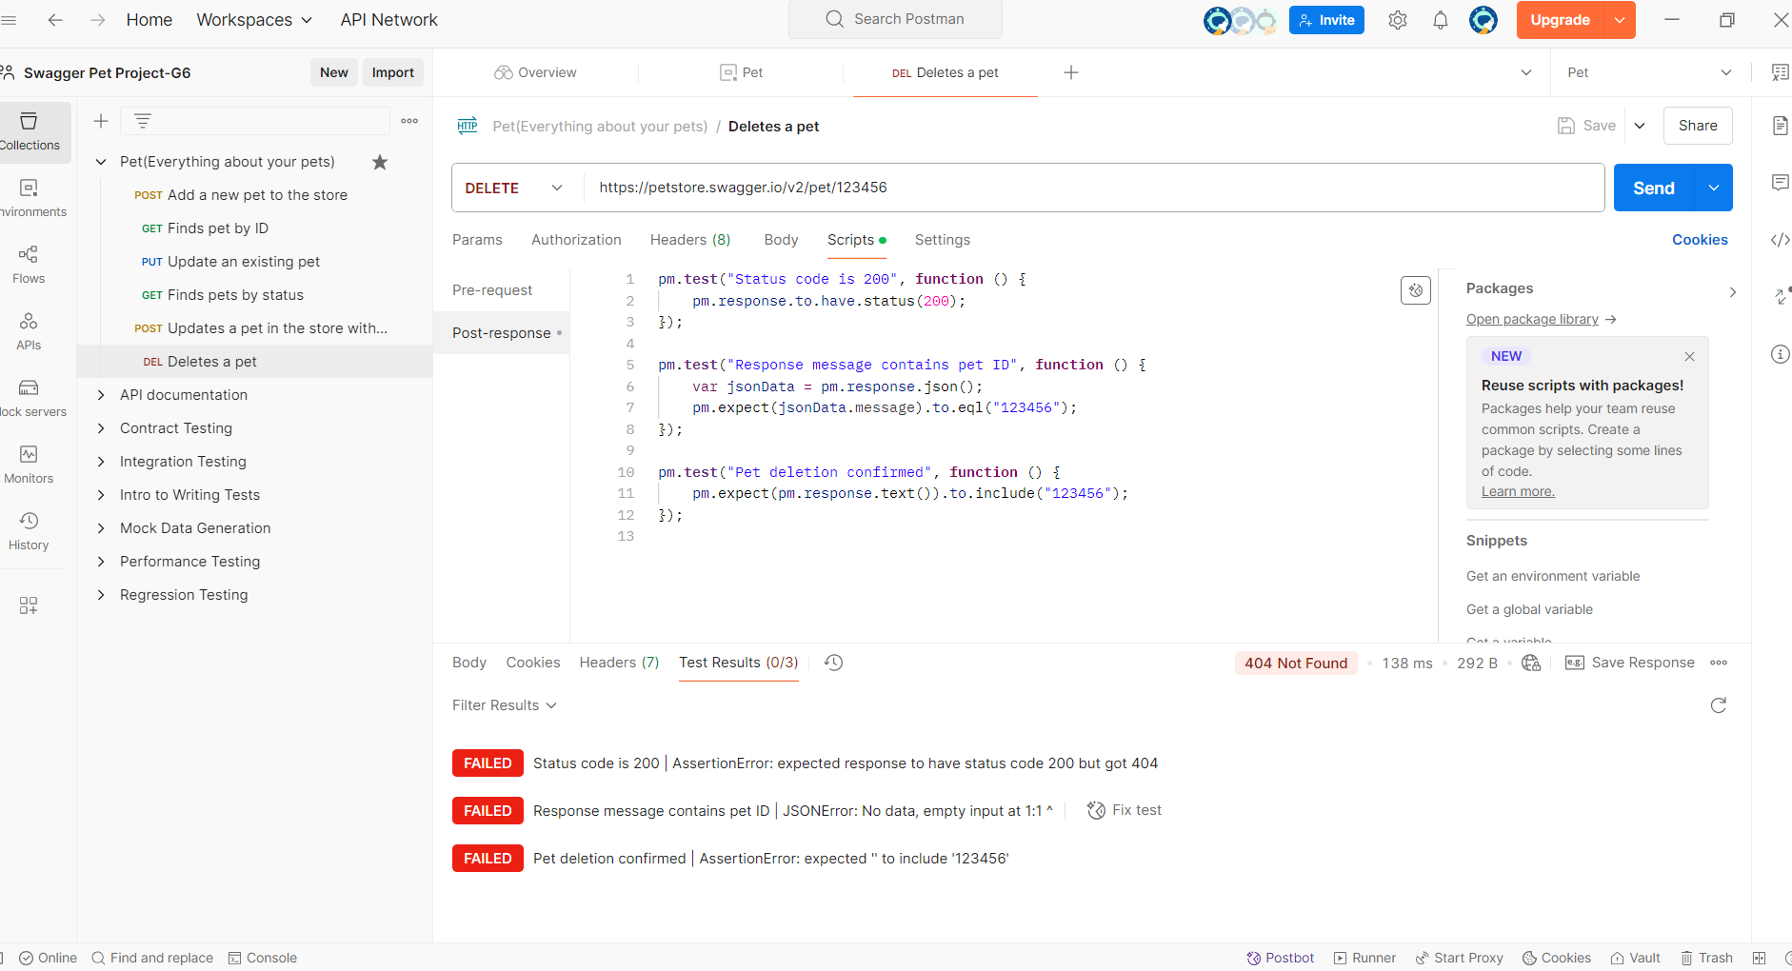 Returns 404 Not Found |  | Open | Medium | Negative
ST_ORD_03 | BUG-009 | Negative quantity accepted | API accepts order with invalid negative quantity | API available | 1. POST to /store/order 2. Use quantity: -5 | { "petId": 1, "quantity": -5 } | 400 Bad Request | Order created successfully |  | Open | Medium | Medium
ST_ORD_ID_03 | BUG-010 | Invalid orderId returns wrong code | API returns 404 for string orderId instead of 400 | None | 1. GET /store/order/abc | orderId = abc | 400 Bad Request | Returns 404 |  | Open | Low | Low
US02 | BUG03 | User creation allows missing username | API allows user creation with missing required username | API available | 1. POST /user 2. Omit username in body | { "email": "john@example.com" } | 400 Bad Request | 200 OK |  | Open | High | High
US03 | BUG04 | Invalid email format accepted | Email validation missing in user creation | API available | 1. POST /user with email: "bad" | { "username": "john", "email": "bad" } | 400 Bad Request | 200 OK |  | Open | Medium | Medium
US06 | BUG05 | Invalid list entry accepted | List API accepts entry without username | API available | 1. POST /user/createWithList 2. Include { "email": "no_username" } | [{"username": "user1"}, {"email": "no_username"}] | 400 Bad Request | 200 OK |  | Open | Medium | Medium
US12 | BUG06 | Blank username in GET returns 404 | Empty path param returns 404 instead of 400 | None | 1. GET /user/ | blank username | 400 or 405 expected | 404 returned |  | Open | Low | Low
US14 | BUG07 | Update non-existent user accepted | PUT succeeds even if user doesn’t exist | None | 1. PUT /user/ghost 2. Use valid JSON | { "email": "test@example.com" } | 404 Not Found | 200 OK |  | Open | Medium | Medium
US18 | BUG08 | Blank username in DELETE returns 404 | Invalid delete path should return 400 | None | DELETE /user/ | blank username | 400 or 405 expected | 404 returned |  | Open | Low | Low

